Flow
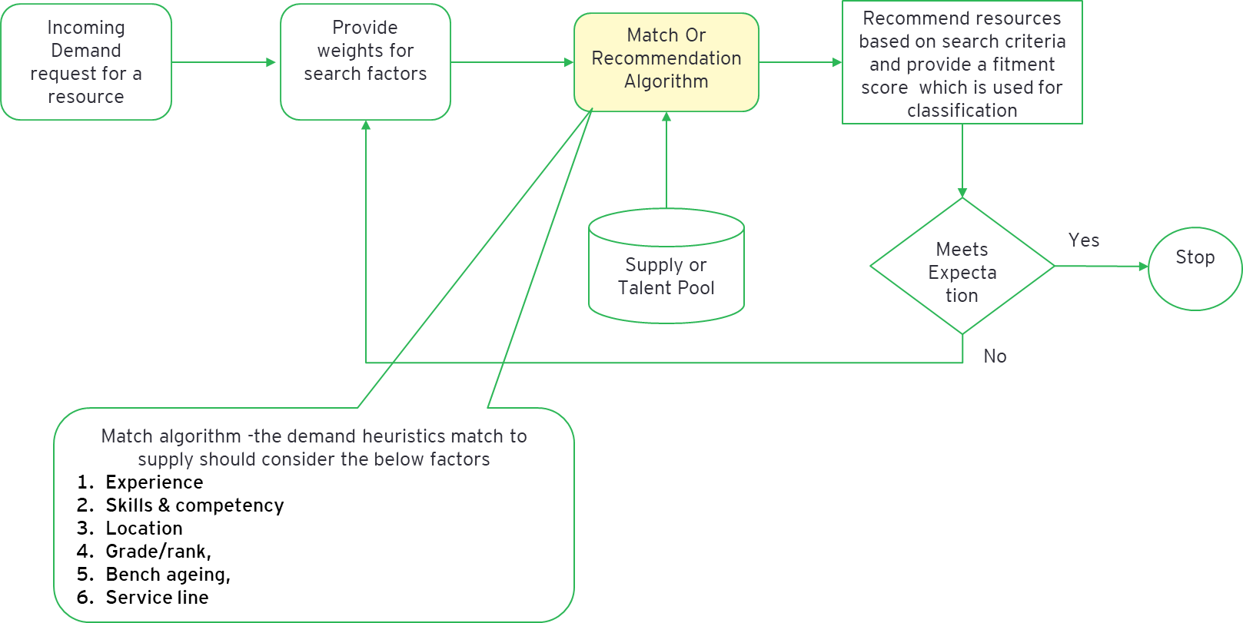

ThumbRules
Matching Algorithm should be able to identify the related skills.
Eg:
if the skill in demand is "service level management" and in supply it is stored as "SLA Management" , algorithm should pick up the people with SLA Management skill and should be able to relate it to service level management
The weightage for search varies from service line to service line (departments) - hence we should be able to refine the search % for validating the results. The weightage is also a crucial factor in determining the match - eg: requirement for a specific location could have more weightage on the location.
Matching algorithm should consider skill and skill level (supply data) also for computing fitment score. For eg: a person with skill level 3 will have less fitment % compared to another person with the same skill who has a level 4.
Search results should have priority for the Requestor SMU, Sub service line , Service line {Sorting the search results} followed by fitment %.
Resource matching happens cross service lines in real world if the skills match
Supply data should be based on skill tree ( eg: Every employee will have multiple rows in the supply data depending on the skills they possess .)
All the search results with fitment % >0 should be provided in the output
Within demand data technical skills means technical skill --> technical skill 1 or technical skill 2 or technical skill 3 , similarly for functional and process also skill --> skill 1 or skill 2 or skill 3

